Sheet1
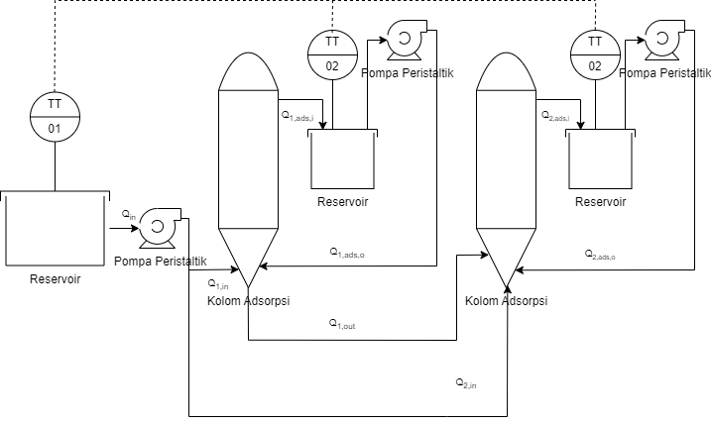

Binary Assignments | Decision | Binary Assignments | Decision
yp1 = 0 | Qin off | yp1 = 1 | Qin on
yp2 = 0 | Q1,in off | yp2 = 1 | Q1,in on
yp3 = 0 | Q1,ads,i off | yp3 = 1 | Q1,ads,i on
yp4 = 0 | Q1,ads,o off | yp4 = 1 | Q1,ads,o on
yp5 = 0 | Q1,out off | yp5 = 1 | Q1,out on
yp6 = 0 | Q2,in off | yp6 = 1 | Q2,in on
yp7 = 0 | Q2,ads,i off | yp7 = 1 | Q2,ads,i on
yp8 = 0 | Q2,ads,o off | yp8 = 1 | Q2,ads,o on

No | States | Boundary
1 | yp1 harus selalu on | yp1 = 1
2 | yp2 on maka yp6 boleh on atau off | yp2 - yp6 > 0
3 | yp2 on maka yp5 boleh on atau off | yp2 - yp5 > 0
4 | yp5 on maka yp6 off dan sebaliknya, yp5 dan yp6 boleh off keduanya | 0 ≤ yp5 + yp6 ≤ 1
5 | yp2 harus selalu on maka yp3 harus on | yp2 + yp3 > 1
6 | yp3 on maka yp4 harus on | yp3 + yp4 > 1
7 | yp5 on maka yp7 harus on | yp5 + yp7 > 1
8 | yp7 on maka yp8 harus on | yp7 + yp8 > 1
9 | yp6 on maka yp7 harus on | yp6 + yp7 > 1
10 | y9 merupakan jumlah adsorben (integer) | 4 ≤ y9 ≤ 12

